Instructions
Instructions for using this workbook

Step 1:
For each heuristic item, enter a rating of -1 (doesn't comply with the guideline), +1 (complies) or 0 (kind of complies). If a guideline isn't relevant, leave the rating blank.

Step 2: Add a comment to explain your rating.

Step 3: Enter a Severity Rating
(1) Not a problem: I don’t agree that this is a problem
(2) Cosmetic: fix not necessary, unless extra time is available
(3) Minor: needs fixing but low priority
(4) Major: needs fixing and high priority
(5)Catastrophic: imperative to fix within next iteration or before release

Step 4: Click on the Results worksheet to get a numerical rating for the compliance with the guidelines.

Results
Heuristic Evaluation of
[Automatic Replies Window: 21050251]
Created By
[Theo Baur: 21050251]

Summary of results

 | Raw score | # Questions | # Answers | Score
Visibility | 4 | 4 | 4 | 100%
Match Between System and the Real World | 4 | 4 | 4 | 100%
User Control and Freedom | 0 | 4 | 0
Consistency and Standards | 3 | 4 | 4 | 88%
Help Users Recognize, Diagnose, and Recover From Errors | 0 | 4 | 0
Error Prevention | 3 | 4 | 4 | 88%
Recognition rather than recall | 0 | 4 | 4 | 50%
Flexibility and efficiency of use | -4 | 4 | 4 | 0%
Aesthetic and Minimalist Design | 0 | 4 | 4 | 50%
Help, Feedback & Error Tolerance | -4 | 4 | 4 | 0%
Overall score |  | 40 | 32 | 59%

Visibility | 100%
Match Between System and the Real World | 100%
User Control and Freedom | 0%
Consistency and Standards | 88%
Help Users Recognize, Diagnose, and Recover From Errors | 0%
Error Prevention | 88%
Recognition rather than recall | 50%
Flexibility and efficiency of use | 0%
Aesthetic and Minimalist Design | 50%
Help, Feedback & Error Tolerance | 0%

Severity
Severity

Summary of results

 | Raw score | # Questions | # Answers | Score
Visibility | 4 | 4 | 4 | 0%
Match Between System and the Real World | 4 | 4 | 4 | 0%
User Control and Freedom | 0 | 4 | 0
Consistency and Standards | 6 | 4 | 4 | 17%
Help Users Recognize, Diagnose, and Recover From Errors | 0 | 4 | 0
Error Prevention | 6 | 4 | 4 | 17%
Recognition rather than recall | 12 | 4 | 4 | 67%
Flexibility and efficiency of use | 10 | 4 | 4 | 50%
Aesthetic and Minimalist Design | 8 | 4 | 4 | 33%
Help, Feedback & Error Tolerance | 8 | 4 | 4 | 33%
Overall score |  | 40 | 32 | 27%

Visibility | 0%
Match Between System and the Real World | 0%
User Control and Freedom | 0%
Consistency and Standards | 17%
Help Users Recognize, Diagnose, and Recover From Errors | 0%
Error Prevention | 17%
Recognition rather than recall | 67%
Flexibility and efficiency of use | 50%
Aesthetic and Minimalist Design | 33%
Help, Feedback & Error Tolerance | 33%

UC1-State1
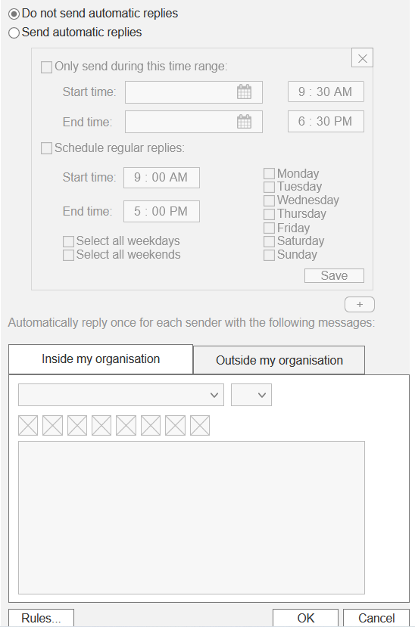
Use Case 1: "Set regular week"
State 1: "Automatic replies tab opened, "Do not send automatic replies" selected"

Checkpoint |  | Severity | Comments

Visibility of System Status | 1 | 1 | +Inside and outside organisation tabs, when select the other tab is hidden bringing the focus to the tab currently being used
Match Between System and the Real World | 1 | 1 | +Time picker is displayed in the same format as a digital clock (HH:MM AM/PM )
User Control and Freedom |  |  | N/A
Consistency and Standards | 1 | 1 | +Inherited monotone grey color scheme angular button design and animation (or lack of) from Microsoft to maintain style
Help Users Recognize, Diagnose, and Recover From Errors |  |  | N/A
Error Prevention | 1 | 1 | +Basic prevention by disabling boxes until needed
Recognition rather than recall | 0 | 3 | +Details become ungreyed and enabled only when progression is sufficient -Could have actually hidden details instead of concealed as there is no use to see these details at certain progression stages -Help not really offered in context
Flexibility and efficiency of use | -1 | 2 | -Text field is not aligned with card which saves space, however may not be obvious enough that it matches to a card
Aesthetic and Minimalist Design | 0 | 2 | +Plain aesthetic inherited from Microsoft but fits well -Overall design can be seen as too plain providing too little information with colour
Help and Documentation | -1 | 2 | -No prompts are used to help

Visibility of System Status | 1
Match Between System and the Real World | 1
User Control and Freedom
Consistency and Standards | 1
Help Users Recognize, Diagnose, and Recover From Errors
Error Prevention | 1
Recognition rather than recall | 3
Flexibility and efficiency of use | 2
Aesthetic and Minimalist Design | 2
Help and Documentation | 2
Evidence:

UC1-State2
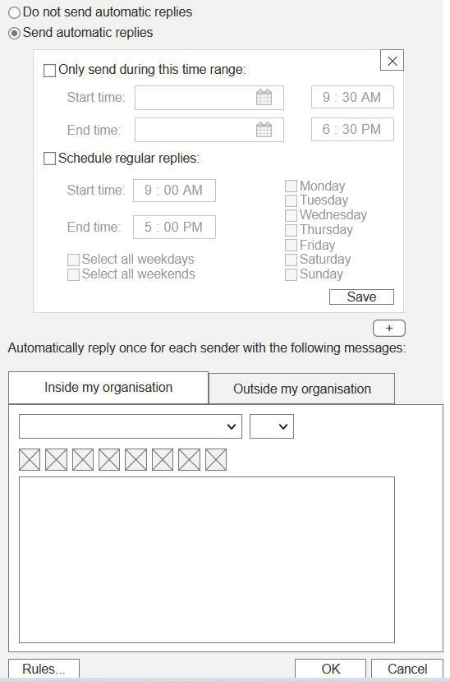
Use Case 1: "Set regular week"
State 2: Send automatic replies" selected, "Inside my organization" and "Outside my organization" tabs enabled

Checkpoint |  | Severity | Comments

Visibility of System Status | 1 | 1 | As per UC1-State1 +Card is highlighted when selected and other cards are disabled
Match Between System and the Real World | 1 | 1 | As per UC1-State1
User Control and Freedom |  |  | N/A
Consistency and Standards | 1 | 1 | As per UC1-State1
Help Users Recognize, Diagnose, and Recover From Errors |  |  | N/A
Error Prevention | 1 | 1 | As per UC1-State1
Recognition rather than recall | 0 | 3 | As per UC1-State1
Flexibility and efficiency of use | -1 | 2 | As per UC1-State1 -Cards can be seen as confusing at first glance
Aesthetic and Minimalist Design | 0 | 2 | As per UC1-State1
Help and Documentation | -1 | 2 | As per UC1-State1
 |  | 1.625

 | Severity
Visibility of System Status | 1
Match Between System and the Real World | 1
User Control and Freedom
Consistency and Standards | 1
Help Users Recognize, Diagnose, and Recover From Errors
Error Prevention | 1
Recognition rather than recall | 3
Flexibility and efficiency of use | 2
Aesthetic and Minimalist Design | 2
Help and Documentation | 2
Evidence:

UC1-State3
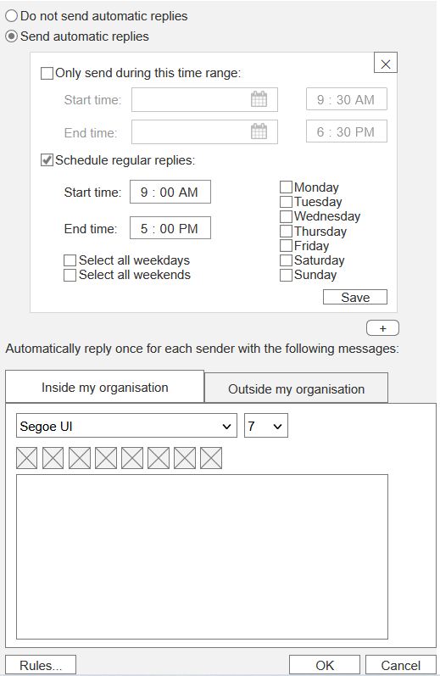
Use Case 1: "Set regular week"
State 3: Start and end time pickers activated, Monday-Friday select boxes activated, "Select all weekdays" and "Select all weekends" select boxes activated.

Checkpoint |  | Severity | Comments

Visibility of System Status | 1 | 1 | As per UC1-State2
Match Between System and the Real World | 1 | 1 | As per UC1-State1
User Control and Freedom
Consistency and Standards | 1 | 1 | As per UC1-State1
Help Users Recognize, Diagnose, and Recover From Errors
Error Prevention | 1 | 1 | As per UC1-State1
Recognition rather than recall | 0 | 3 | As per UC1-State1
Flexibility and efficiency of use | -1 | 2 | As per UC1-State2
Aesthetic and Minimalist Design | 0 | 2 | As per UC1-State1
Help and Documentation | -1 | 2 | As per UC1-State1
 |  | 1.625

 | Severity
Visibility of System Status | 1
Match Between System and the Real World | 1
User Control and Freedom
Consistency and Standards | 1
Help Users Recognize, Diagnose, and Recover From Errors
Error Prevention | 1
Recognition rather than recall | 3
Flexibility and efficiency of use | 2
Aesthetic and Minimalist Design | 2
Help and Documentation | 2
Evidence:

UC1-State4
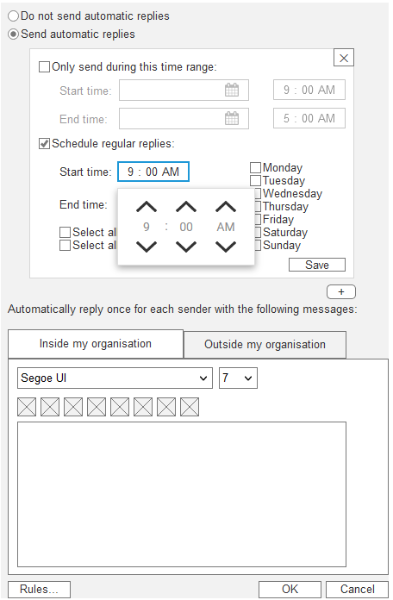
Use Case 1: "Set regular week"
State 4: Dropdown menu with hours:minutes:AM/PM option

Checkpoint |  | Severity | Comments

Visibility of System Status | 1 | 1 | As per UC1-State2
Match Between System and the Real World | 1 | 1 | As per UC1-State1 +Time picker dropdown contains an animation that imitates a circular dial used in real world items such as padlocks
User Control and Freedom
Consistency and Standards | 0 | 3 | As per UC1-State1 -Time pickers do not look well inherited from Microsoft, they have animations which do not match the lack of animation normally used, as well as the arrows looking too bold
Help Users Recognize, Diagnose, and Recover From Errors |  |  | As per UC1-State1
Error Prevention | 0 | 3 | As per UC1-State2 -Could do more prevention by only showing valid times on pickers (end time cant be before start)
Recognition rather than recall | 0 | 3 | As per UC1-State1
Flexibility and efficiency of use | -1 | 4 | As per UC1-State2 -Time pickers are slow when selecting time closer to 30 mins as the user has to click through 30 different times, the user should have the option of typing
Aesthetic and Minimalist Design | 0 | 2 | As per UC1-State1
Help and Documentation | -1 | 2 | As per UC1-State1
 |  | 2.375

 | Severity
Visibility of System Status | 1
Match Between System and the Real World | 1
User Control and Freedom
Consistency and Standards | 3
Help Users Recognize, Diagnose, and Recover From Errors
Error Prevention | 3
Recognition rather than recall | 3
Flexibility and efficiency of use | 4
Aesthetic and Minimalist Design | 2
Help and Documentation | 2
Evidence:

UC1-State5

Use Case 1: "Set regular week"
State 5: Start time field set to 5:30PM

Checkpoint |  | Severity | Comments

Visibility of System Status | 1 | 1 | As per UC1-State2
Match Between System and the Real World | 1 | 1 | As per UC1-State4
User Control and Freedom
Consistency and Standards | 0 | 3 | As per UC1-State4
Help Users Recognize, Diagnose, and Recover From Errors
Error Prevention | 0 | 3 | As per UC1-State4
Recognition rather than recall | 0 | 3 | As per UC1-State1
Flexibility and efficiency of use | -1 | 4 | As per UC1-State4
Aesthetic and Minimalist Design | 0 | 2 | As per UC1-State1
Help and Documentation | -1 | 2 | As per UC1-State1
 |  | 2.375

 | Severity
Visibility of System Status | 1
Match Between System and the Real World | 1
User Control and Freedom
Consistency and Standards | 3
Help Users Recognize, Diagnose, and Recover From Errors
Error Prevention | 3
Recognition rather than recall | 3
Flexibility and efficiency of use | 4
Aesthetic and Minimalist Design | 2
Help and Documentation | 2
Evidence:

UC1-State6
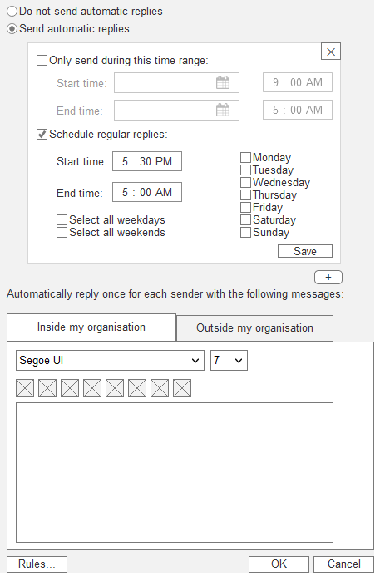
Use Case 1: "Set regular week"
State 6: Dropdown menu collapses upwards

Checkpoint |  | Severity | Comments

Visibility of System Status | 1 | 1 | As per UC1-State2
Match Between System and the Real World | 1 | 1 | As per UC1-State4
User Control and Freedom
Consistency and Standards | 0 | 3 | As per UC1-State4
Help Users Recognize, Diagnose, and Recover From Errors
Error Prevention | 0 | 3 | As per UC1-State4
Recognition rather than recall | 0 | 3 | As per UC1-State1
Flexibility and efficiency of use | -1 | 4 | As per UC1-State4
Aesthetic and Minimalist Design | 0 | 2 | As per UC1-State1
Help and Documentation | -1 | 2 | As per UC1-State1
 |  | 2.375

 | Severity
Visibility of System Status | 1
Match Between System and the Real World | 1
User Control and Freedom
Consistency and Standards | 3
Help Users Recognize, Diagnose, and Recover From Errors
Error Prevention | 3
Recognition rather than recall | 3
Flexibility and efficiency of use | 4
Aesthetic and Minimalist Design | 2
Help and Documentation | 2
Evidence:

UC1-State7
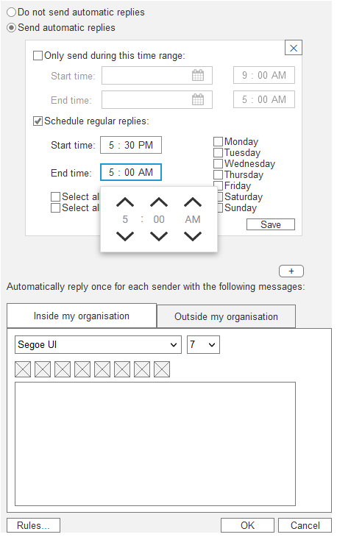
Use Case 1: "Set regular week"
State 7: Dropdown menu with hours:minutes:AM/PM option

Checkpoint |  | Severity | Comments

Visibility of System Status | 1 | 1 | As per UC1-State2
Match Between System and the Real World | 1 | 1 | As per UC1-State4
User Control and Freedom
Consistency and Standards | 0 | 3 | As per UC1-State4
Help Users Recognize, Diagnose, and Recover From Errors
Error Prevention | 0 | 3 | As per UC1-State4
Recognition rather than recall | 0 | 3 | As per UC1-State1
Flexibility and efficiency of use | -1 | 4 | As per UC1-State4
Aesthetic and Minimalist Design | 0 | 2 | As per UC1-State1
Help and Documentation | -1 | 2 | As per UC1-State1
 |  | 2.375

 | Severity
Visibility of System Status | 1
Match Between System and the Real World | 1
User Control and Freedom
Consistency and Standards | 3
Help Users Recognize, Diagnose, and Recover From Errors
Error Prevention | 3
Recognition rather than recall | 3
Flexibility and efficiency of use | 4
Aesthetic and Minimalist Design | 2
Help and Documentation | 2
Evidence:

UC1-State8
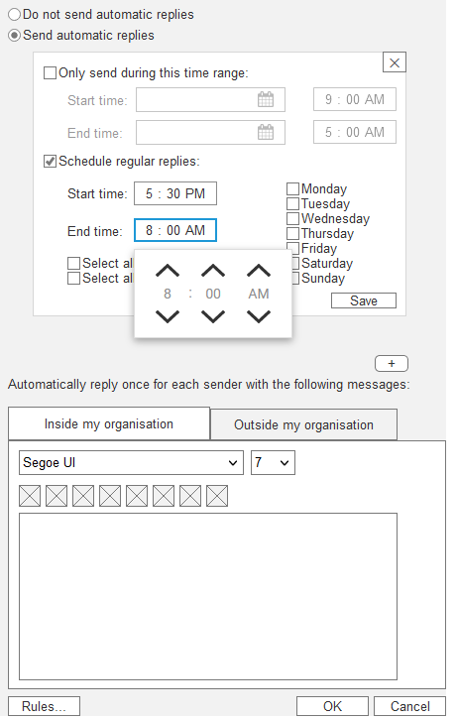
Use Case 1: "Set regular week"
State 8: End time field set to 8:00AM

Checkpoint |  | Severity | Comments

Visibility of System Status | 1 | 1 | As per UC1-State2
Match Between System and the Real World | 1 | 1 | As per UC1-State4
User Control and Freedom
Consistency and Standards | 0 | 3 | As per UC1-State4
Help Users Recognize, Diagnose, and Recover From Errors
Error Prevention | 0 | 3 | As per UC1-State4
Recognition rather than recall | 0 | 3 | As per UC1-State1
Flexibility and efficiency of use | -1 | 4 | As per UC1-State4
Aesthetic and Minimalist Design | 0 | 2 | As per UC1-State1
Help and Documentation | -1 | 2 | As per UC1-State1
 |  | 2.375

 | Severity
Visibility of System Status | 1
Match Between System and the Real World | 1
User Control and Freedom
Consistency and Standards | 3
Help Users Recognize, Diagnose, and Recover From Errors
Error Prevention | 3
Recognition rather than recall | 3
Flexibility and efficiency of use | 4
Aesthetic and Minimalist Design | 2
Help and Documentation | 2
Evidence:

UC1-State9
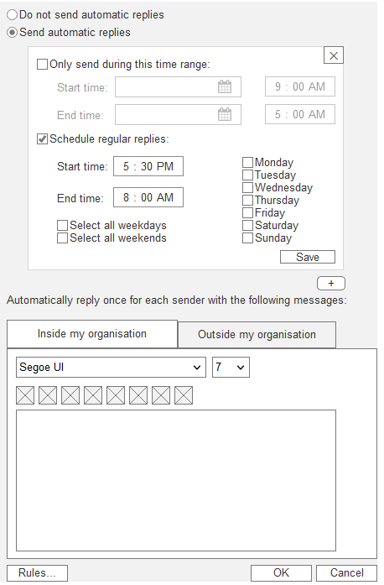
Use Case 1: "Set regular week"
State 9: Dropdown menu collapses upwards

Checkpoint |  | Severity | Comments

Visibility of System Status | 1 | 1 | As per UC1-State2
Match Between System and the Real World | 1 | 1 | As per UC1-State4
User Control and Freedom
Consistency and Standards | 0 | 3 | As per UC1-State4
Help Users Recognize, Diagnose, and Recover From Errors
Error Prevention | 0 | 3 | As per UC1-State4
Recognition rather than recall | 0 | 3 | As per UC1-State1
Flexibility and efficiency of use | -1 | 4 | As per UC1-State4
Aesthetic and Minimalist Design | 0 | 2 | As per UC1-State1
Help and Documentation | -1 | 2 | As per UC1-State1
 |  | 2.375

 | Severity
Visibility of System Status | 1
Match Between System and the Real World | 1
User Control and Freedom
Consistency and Standards | 3
Help Users Recognize, Diagnose, and Recover From Errors
Error Prevention | 3
Recognition rather than recall | 3
Flexibility and efficiency of use | 4
Aesthetic and Minimalist Design | 2
Help and Documentation | 2
Evidence:

UC1-State10
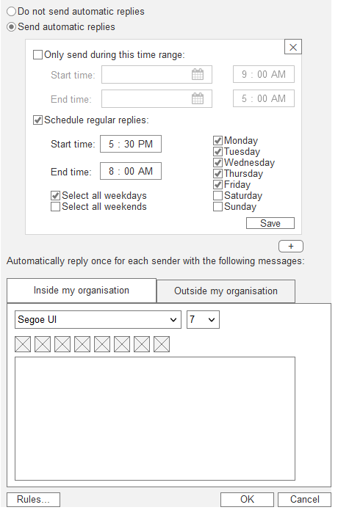
Use Case 1: "Set regular week"
State 10: "Select all weekdays" ticked, Monday-Friday boxes ticked

Checkpoint |  | Severity | Comments

Visibility of System Status | 1 | 1 | As per UC1-State2
Match Between System and the Real World | 1 | 1 | As per UC1-State4
User Control and Freedom
Consistency and Standards | 0 | 3 | As per UC1-State4
Help Users Recognize, Diagnose, and Recover From Errors
Error Prevention | 0 | 3 | As per UC1-State4
Recognition rather than recall | 0 | 3 | As per UC1-State1
Flexibility and efficiency of use | -1 | 4 | As per UC1-State4
Aesthetic and Minimalist Design | 0 | 2 | As per UC1-State1
Help and Documentation | -1 | 2 | As per UC1-State1
 |  | 2.375

 | Severity
Visibility of System Status | 1
Match Between System and the Real World | 1
User Control and Freedom
Consistency and Standards | 3
Help Users Recognize, Diagnose, and Recover From Errors
Error Prevention | 3
Recognition rather than recall | 3
Flexibility and efficiency of use | 4
Aesthetic and Minimalist Design | 2
Help and Documentation | 2
Evidence:

UC1-State11
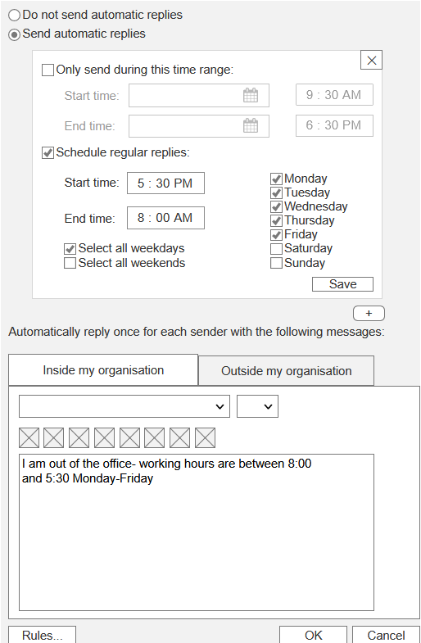
Use Case 1: "Set regular week"
State 11: Inside my organisation text field displays message

Checkpoint |  | Severity | Comments

Visibility of System Status | -1 | 1 | As per UC1-State2 -Text field does not clearly indicate when text is entered in and it is also not obvious that it is required to have some input when saving the card as the text field is below the card and the save button is inside the card -When the text inside the text field is saved there isnt a clear indication that it has been saved
Match Between System and the Real World | 1 | 1 | As per UC1-State4
User Control and Freedom | 0 | 1 | -No undo button, could be used if a user deletes a card or makes saved changes to a card -No way to reset a card to be blank on all items apart from deleted the card and making a new one, there could be a reset all button +Can reset by pressing x to delete and then pressing + to create new card
Consistency and Standards | 0 | 3 | As per UC1-State4 +Use of text field from Microsoft Office
Help Users Recognize, Diagnose, and Recover From Errors | -1 |  | -No success message when successfully saved a card
Error Prevention | 0 | 3 | As per UC1-State4
Recognition rather than recall | 0 | 3 | As per UC1-State1
Flexibility and efficiency of use | -1 | 4 | As per UC1-State4
Aesthetic and Minimalist Design | 0 | 2 | As per UC1-State1
Help and Documentation | -1 | 2 | As per UC1-State1
 |  | 2.2222222222

 | Severity
Visibility of System Status | 1
Match Between System and the Real World | 1
User Control and Freedom | 1
Consistency and Standards | 3
Help Users Recognize, Diagnose, and Recover From Errors
Error Prevention | 3
Recognition rather than recall | 3
Flexibility and efficiency of use | 4
Aesthetic and Minimalist Design | 2
Help and Documentation | 2
Evidence:

UC1-State12
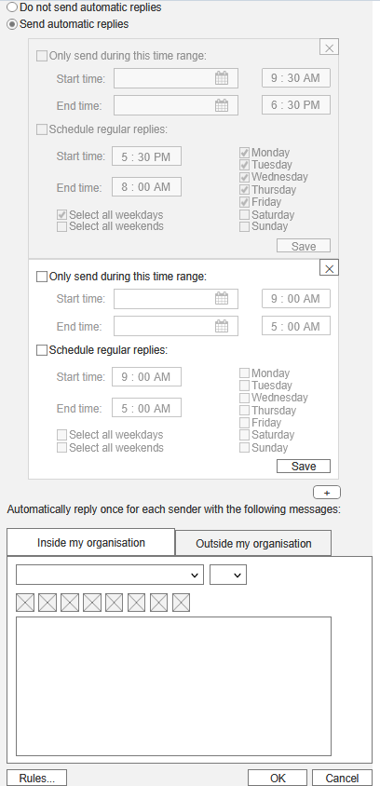
Use Case 1: "Set regular week"
State 12: New schedule regular replies card created

Checkpoint |  | Severity | Comments

Visibility of System Status | -1 | 1 | As per UC1-State11
Match Between System and the Real World | 1 | 1 | As per UC1-State4
User Control and Freedom | 0 | 1 | As per UC1-State11
Consistency and Standards | 0 | 3 | As per UC1-State11
Help Users Recognize, Diagnose, and Recover From Errors | -1 |  | As per UC1-State11
Error Prevention | 0 | 3 | As per UC1-State4
Recognition rather than recall | 0 | 3 | As per UC1-State1
Flexibility and efficiency of use | -1 | 4 | As per UC1-State2
Aesthetic and Minimalist Design | 0 | 2 | As per UC1-State1
Help and Documentation | -1 | 2 | As per UC1-State1
 |  | 2.2222222222

 | Severity
Visibility of System Status | 1
Match Between System and the Real World | 1
User Control and Freedom | 1
Consistency and Standards | 3
Help Users Recognize, Diagnose, and Recover From Errors
Error Prevention | 3
Recognition rather than recall | 3
Flexibility and efficiency of use | 4
Aesthetic and Minimalist Design | 2
Help and Documentation | 2
Evidence:

UC1-State13
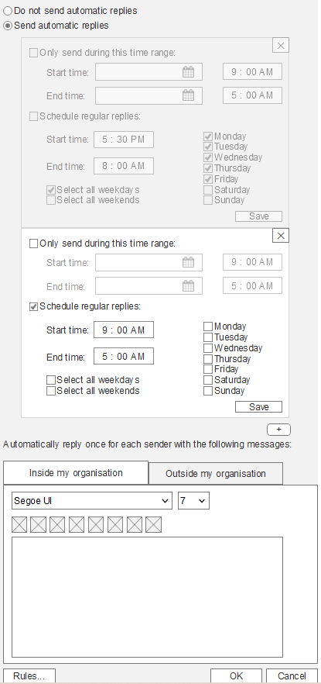
Use Case 1: "Set regular week"
State 13: Start and end time pickers activated, Monday-Friday select boxes activated, "Select all weekdays" and "Select all weekends" select boxes activated.

Checkpoint |  | Severity | Comments

Visibility of System Status | -1 | 1 | As per UC1-State11
Match Between System and the Real World | 1 | 1 | As per UC1-State4
User Control and Freedom | 0 |  | As per UC1-State11
Consistency and Standards | 0 | 3 | As per UC1-State11
Help Users Recognize, Diagnose, and Recover From Errors | -1 |  | As per UC1-State11
Error Prevention | 0 | 3 | As per UC1-State4
Recognition rather than recall | 0 | 3 | As per UC1-State1
Flexibility and efficiency of use | -1 | 4 | As per UC1-State2
Aesthetic and Minimalist Design | 0 | 2 | As per UC1-State1
Help and Documentation | -1 | 2 | As per UC1-State1
 |  | 2.375

 | Severity
Visibility of System Status | 1
Match Between System and the Real World | 1
User Control and Freedom
Consistency and Standards | 3
Help Users Recognize, Diagnose, and Recover From Errors
Error Prevention | 3
Recognition rather than recall | 3
Flexibility and efficiency of use | 4
Aesthetic and Minimalist Design | 2
Help and Documentation | 2
Evidence:

UC1-State14
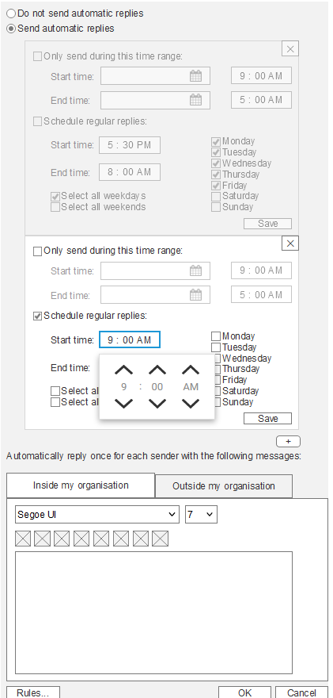
Use Case 1: "Set regular week"
State 14: Dropdown menu with hours:minutes:AM/PM option

Checkpoint |  | Severity | Comments

Visibility of System Status | -1 | 1 | As per UC1-State11
Match Between System and the Real World | 1 | 1 | As per UC1-State4
User Control and Freedom | 0 |  | As per UC1-State11
Consistency and Standards | 0 | 3 | As per UC1-State11
Help Users Recognize, Diagnose, and Recover From Errors | -1 |  | As per UC1-State11
Error Prevention | 0 | 3 | As per UC1-State4
Recognition rather than recall | 0 | 3 | As per UC1-State1
Flexibility and efficiency of use | -1 | 4 | As per UC1-State2
Aesthetic and Minimalist Design | 0 | 2 | As per UC1-State1
Help and Documentation | -1 | 2 | As per UC1-State1
 |  | 2.375

 | Severity
Visibility of System Status | 1
Match Between System and the Real World | 1
User Control and Freedom
Consistency and Standards | 3
Help Users Recognize, Diagnose, and Recover From Errors
Error Prevention | 3
Recognition rather than recall | 3
Flexibility and efficiency of use | 4
Aesthetic and Minimalist Design | 2
Help and Documentation | 2
Evidence:

UC1-State15
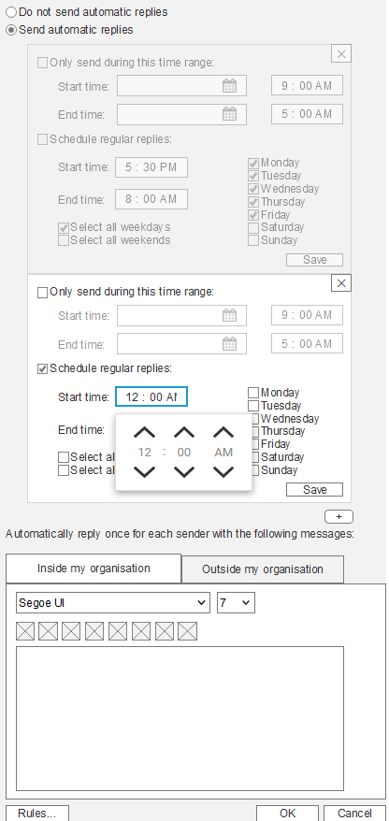
Use Case 1: "Set regular week"
State 15: Start time field set to 12:00AM

Checkpoint |  | Severity | Comments

Visibility of System Status | -1 | 1 | As per UC1-State11
Match Between System and the Real World | 1 | 1 | As per UC1-State4
User Control and Freedom | 0 |  | As per UC1-State11
Consistency and Standards | 0 | 3 | As per UC1-State11
Help Users Recognize, Diagnose, and Recover From Errors | -1 |  | As per UC1-State11
Error Prevention | 0 | 3 | As per UC1-State4
Recognition rather than recall | 0 | 3 | As per UC1-State1
Flexibility and efficiency of use | -1 | 4 | As per UC1-State4
Aesthetic and Minimalist Design | 0 | 2 | As per UC1-State1
Help and Documentation | -1 | 2 | As per UC1-State1
 |  | 2.375

 | Severity
Visibility of System Status | 1
Match Between System and the Real World | 1
User Control and Freedom
Consistency and Standards | 3
Help Users Recognize, Diagnose, and Recover From Errors
Error Prevention | 3
Recognition rather than recall | 3
Flexibility and efficiency of use | 4
Aesthetic and Minimalist Design | 2
Help and Documentation | 2
Evidence:

UC1-State16

Use Case 1: "Set regular week"
State 16: Dropdown menu collapses upwards

Checkpoint |  | Severity | Comments

Visibility of System Status | -1 | 1 | As per UC1-State11
Match Between System and the Real World | 1 | 1 | As per UC1-State4
User Control and Freedom | 0 |  | As per UC1-State11
Consistency and Standards | 0 | 3 | As per UC1-State11
Help Users Recognize, Diagnose, and Recover From Errors | -1 |  | As per UC1-State11
Error Prevention | 0 | 3 | As per UC1-State4
Recognition rather than recall | 0 | 3 | As per UC1-State1
Flexibility and efficiency of use | -1 | 4 | As per UC1-State4
Aesthetic and Minimalist Design | 0 | 2 | As per UC1-State1
Help and Documentation | -1 | 2 | As per UC1-State1
 |  | 2.375

 | Severity
Visibility of System Status | 1
Match Between System and the Real World | 1
User Control and Freedom
Consistency and Standards | 3
Help Users Recognize, Diagnose, and Recover From Errors
Error Prevention | 3
Recognition rather than recall | 3
Flexibility and efficiency of use | 4
Aesthetic and Minimalist Design | 2
Help and Documentation | 2
Evidence:

UC1-State17
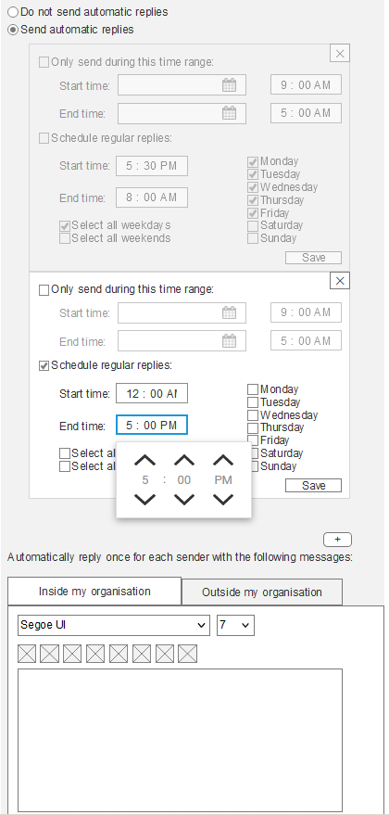
Use Case 1: "Set regular week"
State 17: Dropdown menu with hours:minutes:AM/PM option

Checkpoint |  | Severity | Comments

Visibility of System Status | -1 | 1 | As per UC1-State11
Match Between System and the Real World | 1 | 1 | As per UC1-State4
User Control and Freedom | 0 |  | As per UC1-State11
Consistency and Standards | 0 | 3 | As per UC1-State11
Help Users Recognize, Diagnose, and Recover From Errors | -1 |  | As per UC1-State11
Error Prevention | 0 | 3 | As per UC1-State4
Recognition rather than recall | 0 | 3 | As per UC1-State1
Flexibility and efficiency of use | -1 | 4 | As per UC1-State4
Aesthetic and Minimalist Design | 0 | 2 | As per UC1-State1
Help and Documentation | -1 | 2 | As per UC1-State1
 |  | 2.375

 | Severity
Visibility of System Status | 1
Match Between System and the Real World | 1
User Control and Freedom
Consistency and Standards | 3
Help Users Recognize, Diagnose, and Recover From Errors
Error Prevention | 3
Recognition rather than recall | 3
Flexibility and efficiency of use | 4
Aesthetic and Minimalist Design | 2
Help and Documentation | 2
Evidence:

UC1-State18
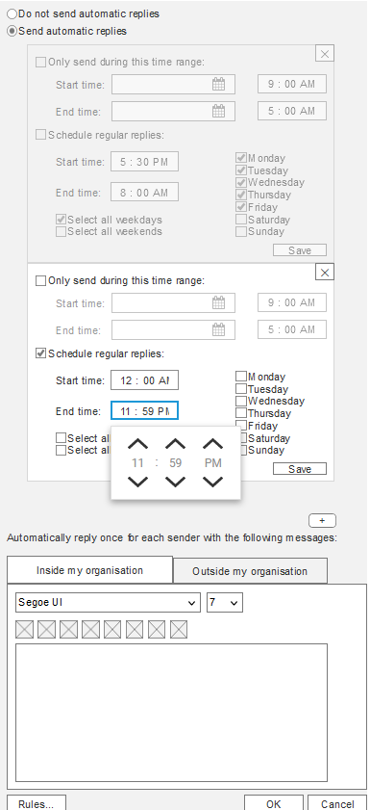
Use Case 1: "Set regular week"
State 18: End time field set to 11:59PM

Checkpoint |  | Severity | Comments

Visibility of System Status | -1 | 1 | As per UC1-State11
Match Between System and the Real World | 1 | 1 | As per UC1-State4
User Control and Freedom | 0 |  | As per UC1-State11
Consistency and Standards | 0 | 3 | As per UC1-State11
Help Users Recognize, Diagnose, and Recover From Errors | -1 |  | As per UC1-State11
Error Prevention | 0 | 3 | As per UC1-State4
Recognition rather than recall | 0 | 3 | As per UC1-State1
Flexibility and efficiency of use | -1 | 4 | As per UC1-State4
Aesthetic and Minimalist Design | 0 | 2 | As per UC1-State1
Help and Documentation | -1 | 2 | As per UC1-State1
 |  | 2.375

 | Severity
Visibility of System Status | 1
Match Between System and the Real World | 1
User Control and Freedom
Consistency and Standards | 3
Help Users Recognize, Diagnose, and Recover From Errors
Error Prevention | 3
Recognition rather than recall | 3
Flexibility and efficiency of use | 4
Aesthetic and Minimalist Design | 2
Help and Documentation | 2
Evidence:

UC1-State19
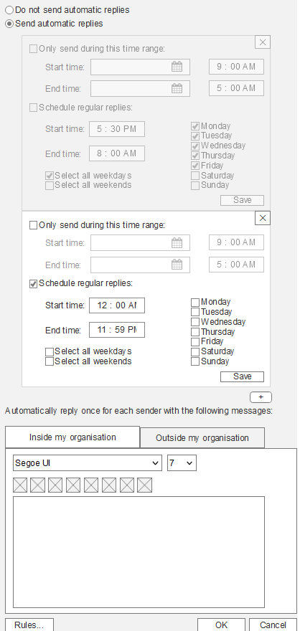
Use Case 1: "Set regular week"
State 19: Dropdown menu collapses upwards

Checkpoint |  | Severity | Comments

Visibility of System Status | -1 | 1 | As per UC1-State11
Match Between System and the Real World | 1 | 1 | As per UC1-State4
User Control and Freedom | 0 |  | As per UC1-State11
Consistency and Standards | 0 | 3 | As per UC1-State11
Help Users Recognize, Diagnose, and Recover From Errors | -1 |  | As per UC1-State11
Error Prevention | 0 | 3 | As per UC1-State4
Recognition rather than recall | 0 | 3 | As per UC1-State1
Flexibility and efficiency of use | -1 | 4 | As per UC1-State4
Aesthetic and Minimalist Design | 0 | 2 | As per UC1-State1
Help and Documentation | -1 | 2 | As per UC1-State1
 |  | 2.375

 | Severity
Visibility of System Status | 1
Match Between System and the Real World | 1
User Control and Freedom
Consistency and Standards | 3
Help Users Recognize, Diagnose, and Recover From Errors
Error Prevention | 3
Recognition rather than recall | 3
Flexibility and efficiency of use | 4
Aesthetic and Minimalist Design | 2
Help and Documentation | 2
Evidence:

UC1-State20
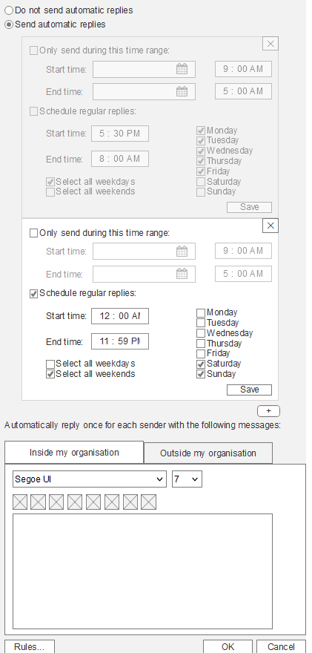
Use Case 1: "Set regular week"
State 20: "Select all weekends" ticked, Saturday and Sunday boxes ticked

Checkpoint |  | Severity | Comments

Visibility of System Status | -1 | 1 | As per UC1-State11
Match Between System and the Real World | 1 | 1 | As per UC1-State4
User Control and Freedom | 0 |  | As per UC1-State11
Consistency and Standards | 0 | 3 | As per UC1-State11
Help Users Recognize, Diagnose, and Recover From Errors | -1 |  | As per UC1-State11
Error Prevention | 0 | 3 | As per UC1-State4
Recognition rather than recall | 0 | 3 | As per UC1-State1
Flexibility and efficiency of use | -1 | 4 | As per UC1-State4
Aesthetic and Minimalist Design | 0 | 2 | As per UC1-State1
Help and Documentation | -1 | 2 | As per UC1-State1
 |  | 2.375

 | Severity
Visibility of System Status | 1
Match Between System and the Real World | 1
User Control and Freedom
Consistency and Standards | 3
Help Users Recognize, Diagnose, and Recover From Errors
Error Prevention | 3
Recognition rather than recall | 3
Flexibility and efficiency of use | 4
Aesthetic and Minimalist Design | 2
Help and Documentation | 2
Evidence:

UC1-State21
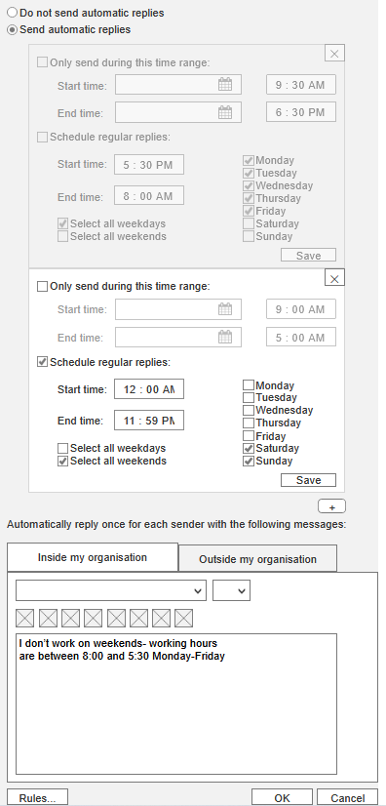
Use Case 1: "Set regular week"
State 21: Inside my organisation text field displays message

Checkpoint |  | Severity | Comments

Visibility of System Status | -1 | 1 | As per UC1-State11
Match Between System and the Real World | 1 | 1 | As per UC1-State4
User Control and Freedom | 0 |  | As per UC1-State11
Consistency and Standards | 0 | 3 | As per UC1-State11
Help Users Recognize, Diagnose, and Recover From Errors | -1 |  | As per UC1-State11
Error Prevention | 0 | 3 | As per UC1-State4
Recognition rather than recall | 0 | 3 | As per UC1-State1
Flexibility and efficiency of use | -1 | 4 | As per UC1-State4
Aesthetic and Minimalist Design | 0 | 2 | As per UC1-State1
Help and Documentation | -1 | 2 | As per UC1-State1
 |  | 2.375

 | Severity
Visibility of System Status | 1
Match Between System and the Real World | 1
User Control and Freedom
Consistency and Standards | 3
Help Users Recognize, Diagnose, and Recover From Errors
Error Prevention | 3
Recognition rather than recall | 3
Flexibility and efficiency of use | 4
Aesthetic and Minimalist Design | 2
Help and Documentation | 2
Evidence:

UC2-State1
Use Case 2: "Error case"
State 1: Automatic replies tab opened, "Do not send automatic replies" selected

Checkpoint |  | Severity | Comments

Visibility of System Status | 1 | 1 | As per UC1-State1
Match Between System and the Real World | 1 | 1 | As per UC1-State1
User Control and Freedom
Consistency and Standards | 1 | 1 | As per UC1-State1
Help Users Recognize, Diagnose, and Recover From Errors
Error Prevention | 1 | 1 | As per UC1-State1
Recognition rather than recall | 0 | 3 | As per UC1-State1
Flexibility and efficiency of use | -1 | 2 | As per UC1-State1
Aesthetic and Minimalist Design | 0 | 2 | As per UC1-State1
Help and Documentation | -1 | 2 | As per UC1-State1
 |  | 1.625

Visibility of System Status | 1
Match Between System and the Real World | 1
User Control and Freedom
Consistency and Standards | 1
Help Users Recognize, Diagnose, and Recover From Errors
Error Prevention | 1
Recognition rather than recall | 3
Flexibility and efficiency of use | 2
Aesthetic and Minimalist Design | 2
Help and Documentation | 2
Evidence:

UC2-State10
Use Case 2: "Error case"
State 10: Monday box ticked

Checkpoint |  | Severity | Comments

Visibility of System Status | 1 | 1 | As per UC1-State2
Match Between System and the Real World | 1 | 1 | As per UC1-State4
User Control and Freedom |  |  | N/A
Consistency and Standards | 0 | 3 | As per UC1-State4
Help Users Recognize, Diagnose, and Recover From Errors |  |  | N/A
Error Prevention | 0 | 3 | As per UC1-State4
Recognition rather than recall | 0 | 3 | As per UC1-State1
Flexibility and efficiency of use | -1 | 4 | As per UC1-State4
Aesthetic and Minimalist Design | 0 | 2 | As per UC1-State1
Help and Documentation | -1 | 2 | As per UC1-State1
 |  | 2.375

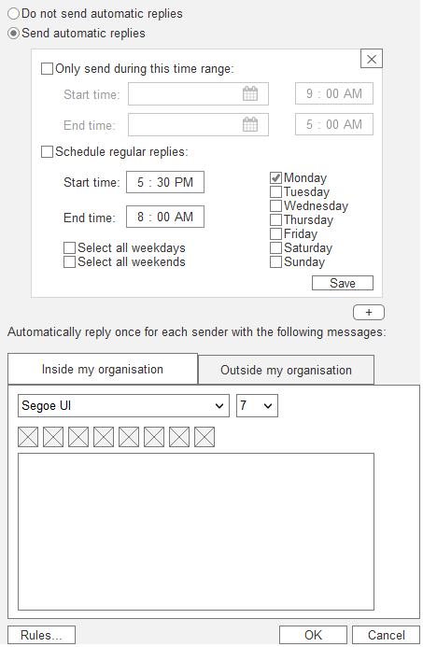
Evidence:

